Sheet1
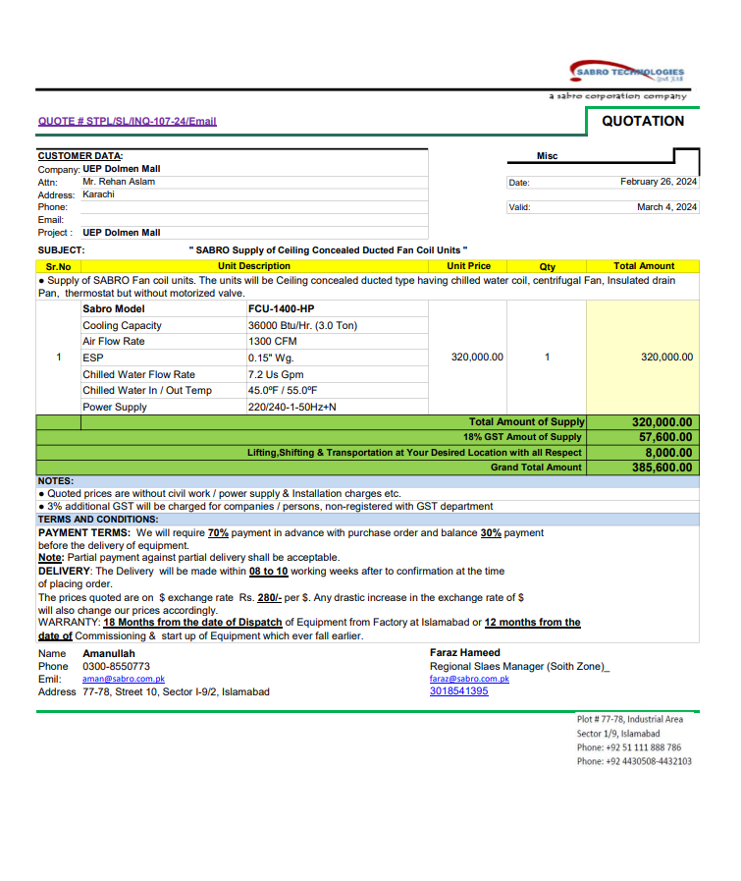
PIONEER SERVICES

M/S SEM Engineers |  |  |  |  |  |  |  |  |  | 2024-02-26
Project: UEP 17th Floor Dolmen Kar.
Variation Order No 1

Attn: Mr. Waqas Ahmed

Positive Variation order for DFCU & WCPU

S. # | Description | Material Rate | GST 18% | Transps | Labour Rate | OPT 20% | Total Rates | Unit | Qty | Amount |  | 324000
1 | Supply and installation of water cooled packege Unit 18000 BTU | We Considered 12000 BTU as per BOQ amount |  |  |  |  | 765,000 | No | 1 | 765,000
1 | Supply and installation of ducted Fan Coil Unit 36000 BTU | 320,000 | 57,600 | 8,000 | 8,000 | 77,120 | 470,720 | No | 1 | 470,720 | 470,720
Total Amount Rs. |  |  |  |  |  |  |  |  |  | 1,235,720

Negative Variation order for WCPU

S. # | Description |  |  |  |  |  |  | BOQ Material Rate | BOQ Labour Rate | Total Amount
1 | Supply and installation of water cooloed package unit 30000 BTU |  |  |  |  |  |  | 950,000 | 15,000 | 965,000
Total Amount Rs. |  |  |  |  |  |  |  |  |  | 965,000

Difference Payable Amount |  |  |  |  |  |  |  |  |  | 270,720

For PIONEER SERVICES.

